YEAR 1
The Flinn Foundation Budget/Actual Expenditure Form
For Year [1]

The purpose of this Budget Form is to provide The Ethel and James Flinn Foundation with complete information about your program's projected expenses and revenue. Please submit this budget form with your complete proposal and required attachments. Please itemize where necessary (for example, salaries). Include indirect costs that are related to the program and indispensible to it. The Foundation will not approve indirect costs budgeted as a percentage of the grant amount. If your request is for more than one year, complete the spreadsheet for each year you are requesting funding (see tabs below). NOTE: You will also use this form to submit Actual Expenditures with your Progress and/or Final Expenditure Report. Keep a saved copy for your records.
[Insert Name of Organization] | Total for Program | Amount Requested from the Foundation | * Actual Expenditures
EXPENSES
Salaries (Itemize. If less than full time, prorate or specify number of FTE)
Evaluation
Professional Services (legal, accounting, etc.)
Training
Consultants/Contracted Services (other than evaluation)
Travel
Equipment and Supplies
Printing and Copying
Other (Specify)
TOTAL EXPENSES | $0 | $0 | $0

REVENUE | Committed | Pending
Grants/Contracts/Contributions:
The Flinn Foundation Request
Government (indicate whether local, state, federal)
Other Foundation Support
Other (Specify)
In-Kind (indicate source)
TOTAL REVENUE AND RESOURCES | $0 | $0 | $0

ITEMIZATION | Total for Program | Amount Requested from the Foundation | * Actual Expenditures
EXPENSES

TOTAL EXPENSES | $0 | $0 | $0
* Only applicable when submitting a Progress or Final Expenditure Report

YEAR 2
The Flinn Foundation Budget/Actual Expenditure Form
For Year [2]
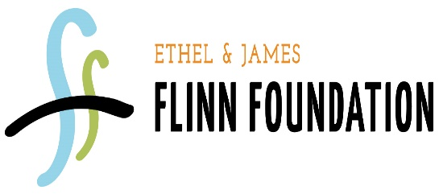
The purpose of this Budget Form is to provide The Ethel and James Flinn Foundation with complete information about your program's projected expenses and revenue. Please submit this budget form with your complete proposal and required attachments. Please itemize where necessary (for example, salaries). Include indirect costs that are related to the program and indispensible to it. The Foundation will not approve indirect costs budgeted as a percentage of the grant amount. If your request is for more than one year, complete the spreadsheet for each year you are requesting funding (see tabs below). NOTE: You will also use this form to submit Actual Expenditures with your Progress and/or Final Expenditure Report. Keep a saved copy for your records.
[Insert Name of Organization] | Total for Program | Amount Requested from the Foundation | * Actual Expenditures
EXPENSES
Salaries (Itemize. If less than full time, prorate or specify number of FTE)
Evaluation
Professional Services (legal, accounting, etc.)
Training
Consultants/Contracted Services (other than evaluation)
Travel
Equipment and Supplies
Printing and Copying
Other (Specify)
TOTAL EXPENSES | $0 | $0 | $0

REVENUE | Committed | Pending
Grants/Contracts/Contributions:
The Flinn Foundation Request
Government (indicate whether local, state, federal)
Other Foundation Support
Other (Specify)
In-Kind (indicate source)
TOTAL REVENUE AND RESOURCES | $0 | $0 | $0

ITEMIZATION | Total for Program | Amount Requested from the Foundation | * Actual Expenditures
EXPENSES

TOTAL EXPENSES | $0 | $0 | $0
* Only applicable when submitting a Progress or Final Expenditure Report

